region_salary_raw
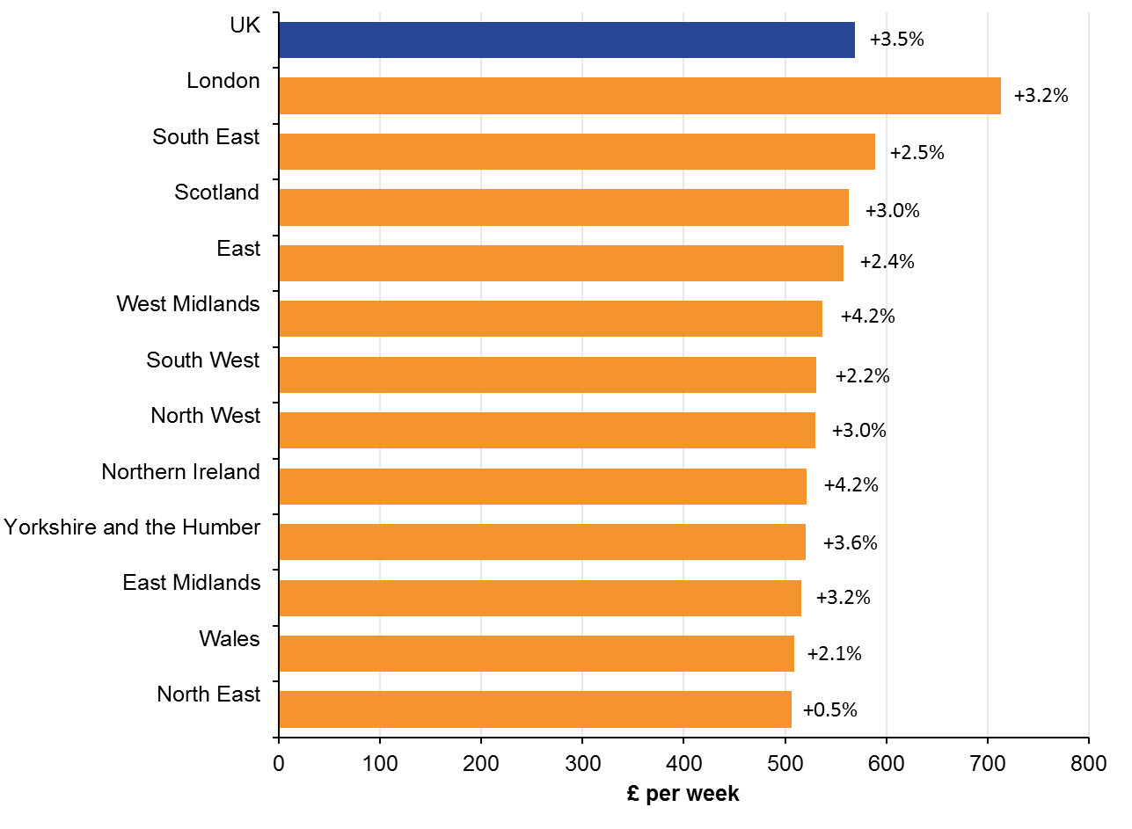
Figure 7:
Median full-time gross weekly earnings and percentage change from previous year, by region, UK, April 2018
Region | Median Full-time gross weekly earnings (£) | Change from 2017 (%)
UK | 569.0 | 3.5
London | 713.2 | 3.2
South East | 589.2 | 2.5
Scotland | 563.2 | 3.0
East | 558.1 | 2.4
West Midlands | 536.6 | 4.2
South West | 531.2 | 2.2
North West | 529.6 | 3.0
Northern Ireland | 521.2 | 4.2
Yorkshire and the Humber | 520.8 | 3.6
East Midlands | 515.9 | 3.2
Wales | 509.0 | 2.1
North East | 506.8 | 0.5
Notes: Footnotes applicable to all charts in this bulletin can be found in 5. Measuring this data

source: https://www.ons.gov.uk/employmentandlabourmarket/peopleinwork/earningsandworkinghours/bulletins/annualsurveyofhoursandearnings/2018

